beregner
Beregningsværktøj til dimensionsændring af træ / vandkunsten 2020

 |  | angiv dato for montering: | 2021-06-21 | (format: DD-MM-ÅÅÅÅ)

 |  | brættets bredde (mål per dd.): | 107 | mm

 |  | vælg træsort: | Fyr, gran og eg

Resultat |  |  | langs årsringe | på tværs årsringe
 |  | fugemål ved opsætning [mm]: | 2.0 | 1.0
 |  | nyt dækmål [mm]: | 109.0 | 108.0

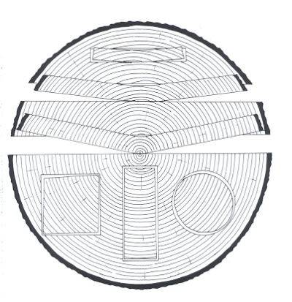
Beregninger:
 |  |  |  |  |  | [mm]
måned |  | Middel-temperatur | Relativ luftfugtighed | Omtrentlig ligevægts-fugtighed i træet |  | I fiber retningen | Langs årringene | På tværs af årringene
 | 6 |  |  |  |  |  | (tangentielt) | (radiært)
 | 0 | [C º] | [%] | [%] | Fyr, gran og eg | 0.1 | 2.7 | 1.4
Januar | 1 | -0.1 | 89 | 23 | Bøg og birk | 0.1 | 4 | 2
Februar | 2 | -0.4 | 87 | 23
Marts | 3 | 1.7 | 85 | 21 | Tabel 1.. Dimensionsændring i promille [mm/meter] ved en ændring af træets fugtindhold på 1 % for udvalgte træarter. (Kilde Larsen og Riberholt, 2005)
April | 4 | 6.2 | 78 | 18
Maj | 5 | 11.1 | 72 | 16
Juni | 6 | 14.5 | 73 | 16 |  |  | [mm]
Juli | 7 | 16.6 | 76 | 17 | Fyr, gran og eg |  | 2.0 | 1.0
August | 8 | 16.3 | 79 | 18 | Bøg og birk |  | 3.0 | 1.5
September | 9 | 13.1 | 83 | 19
Oktober | 10 | 8.7 | 86 | 21
November | 11 | 4.9 | 89 | 23
December | 12 | 2.2 | 91 | 23

 |  |  | maks | 23
 |  |  | min | 16

 |  |  | fugt%-måned | 16

 |  |  | diff til maks | 7
 |  |  | diff til min | 0

